Lecture - Inside the Formula
Inside the Formula

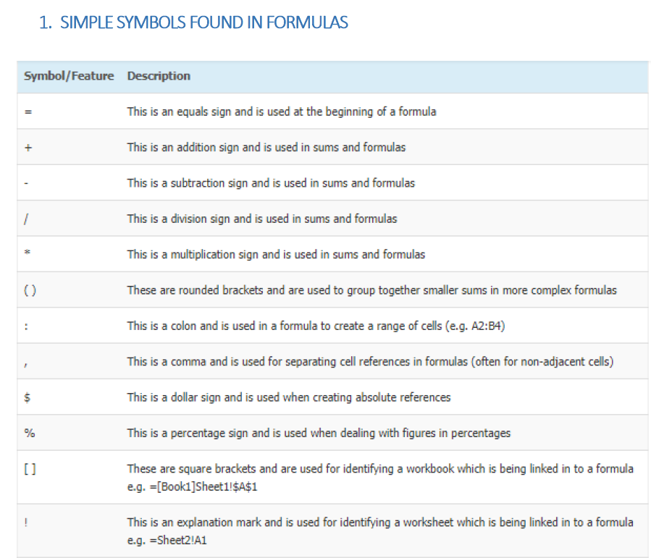

 |  | 2 | =1+1
 |  | 2 | =1+1
 |  | 2 | =5-3
 |  | 2 | =10/5
 |  | 2 | =1*2
 |  | 2 | =(3+5)/4
 |  | 0 | =SUM(N7:R7)
 |  | 0 | =SUM(N7,P7,R7)
 |  | 0 | =$L$15
 |  | 2% | =2%

 |  | 118,100

 | : , $ % [] ! |  | [other workbook]other sheet!CellRef

